Summary
New Hire User Addition in Yardi
To add the new users in Yardi, basically we are referring below documents.
** This current doument can be used for New user creation only. For Temp & audit users & Rent café uers check respective documents for more details.

1. New Hire Report IT- Report from HRSystems- We get to know the new user details[EmpID, Email,Name] , also rehire user details, Job titles, Property access.
2. User Access per Job Title- User Access per Job Title-ACedits_20220727- We get to know permissions and previledges per job title. Rent café user creation as per job title. Document gets updated frequently by RPM Team as required.
3. Temp user and audit user documents-Audit Users & Temp Users-We get to know how to create a temp user & audit user[naming convention,Permissions & Previledges etc]For more details check the respective document.
4. Property Access Approval - Property Access Approval-ACedited_20220727- We get to know the points to be noted for Static/Dynamic property list creation/access as per role. For more details check the respective document.
5. For Rent café user roles refer to this doument New Hire User Creation for Rent Cafe- We get to know roles to be selected per job title in rent café.

Please go through below points which needs to be considered -
1. Review the report and identify and mark those users which are already available in Yardi. We need to compare the data from Hrsystems in below sequence with user master file from Voyager[which is extracted through a query]- Employee number, Email ID, Employee name, Username to avoid any duplicate users addition.
2. If job title is Concierge-we don’t add those users.
3. Confirm the Group, Property & Access per Job Title if job title details are not there in the document-User Access per Job Title-ACedits_20220727
4.While adding the users the property column from New Hire data is checked if that exists in Voyager with property attribute=PMS platform with value as Yardi - RPM
5. Refer column P[Rehire] in New Hire report for Rehire employees. These users are already available in Yardi but status may be Inactivate. If Rehire Column value is 'Y' then we need to activate these users with new property & job title access.
6. For New hire if the property column value is 99999 then we need to use the property list according to below Job titles. RM/RVPs (or any other onsite team member – Service/Leasing) that have 99999 listed as their property = Testcano Accountants = .active Marketing = .wkstat Training/Performance/L & D = .wkstat Transitions/Dispositions/Due Diligence = .wkstat Client Services = .wkstat
7. Property list Creation – Should be set up at the time of user creation. Refer to Property Access Approval-ACedited_20220727 for details. a. Community Manger (Static) b. Regional Manager (Static) c. Regional Vice President (Static) d. Accounting (Dynamic) i. Controller ii. Assistant Controller iii. Accounting Manager iv. Accountant e. Owner/Client property list will be static and the code will start with 'o.' Refer to Client Prop List tab on this document. f. Other than above roles we can use flexible named property list existing in system for giving access to multiple properties to users on temporary basis. Refer to document 20220510_RPM_Property List & Flex List for details and setup.
8. We will not grant access if the property is in Acquisition status[Verified from property attribute status]. Instead assign Testcano property access as per point 7 above.
9. Need to check the property status before granting property access (don’t pay attention to the Notes field as the Takeover Date and Go Live dates don’t always match up. The property’s status will be 100% accurate.)
10. If there are tickets you’re receiving where users are asking for access to a property that isn’t live yet, the blanket response should be, “It looks like this property isn’t live in Yardi yet so access cannot be granted. Please contact your supervisor for any additional questions you may have.” Property attribute status as Active should be checked before giving access to the property.
11. For PO IR approval workflow use below contact roles at property level wrt job titles. To be added at the time of New user creation. i. Sr. CM/ CM, Area Community Manager- Property Manager role. Update the CM name in the Agent list. ii. Maint Mgr, Manit Mgr I & II - MS - Maintenance Supervisor role. iiI. Sr/RM, RM- Regional Manager role iv. RVP- PO/IR approver only As confirmed by Dixie, Wire approver role is not required for now v. VP - PO/IR approver only As confirmed by, Dixie Wire approver role is not required for now vi. Accounting Manager-Contact Role: Accounting Manager vii. Controller-Contact Role: Controller viii.Director- Contact Roles: Director & GL Disbursement under $500k viii.Vice President-Contact Roles: Acct Vice President & GL Disbursement Under $1M X. Sr Vice President/CAO-Contact Roles: Acctg Executive & GL Disbursement Over $1M XI For anyone in the rpm_ap group (ie Accounts Payable), they should have the following contact- GL Disbursement Under $25k XII. Project Manager (rpm_cpm) = RPM Construction Project Manager XIII. RPM Construction Director (rpm_cpm) = RPM Construction Director XIV RPM Construction RVP (rpm_cons) = RPM Construction RVP XV RPM Construction VP (rpm_cons) = RPM Construction VP
12. At the time of new user creation for CM,RM & RVP respectively - Update the Property attributes value for CM,RM and Regional V.P. with the new user name[First it needs to be added to System Attribute values]
13. At the time of new user creation for leasing associates, Leasing Manager, Assistannt CM & Community Managers job titles- Add the user's name in the agent list
14. We should not set up new users/change roles outside of HR paperwork . We DO NOT set up users without HR supporting documentation.
15. Rent café users creation- While creating new users in Voyager, we need to create rent café users as per document-User Access per Job Title-ACedits_20220727. Refer to 'User Addition in Rent Cafe' tab for details in current document.For roles check New Hire User Creation for Rent Cafe document.
16. Recently we have received an update from Aaron Effective 7/5, the new default password will be “Welcome123!” and the username will be the email address. 17. Not to assign anyone the adm user group without Aaron's confirmation. For Software Support Assoc group needs to be enter as "helpdesk" (Email from Aaron 12/13/2022) See example below- Username Rhonda.Butler@rpmliving.com Password Welcome123!
19. Email by Trista 03/13/2023 Update - procurement user sync after all new hires are created (Community Manager, Service Manager)
20. New hire users can be setup as received, however, promotions should be updated prior day of effective date
21. Do not Inactive Interface user 22. Do not create property list for the Community Managers 23. As discussed with Shanette, we have modified the ETL template and removed unwanted columns from the ETL 25. RPM leadership has moved to no longer allow temp & Audit access into our systems. IF request received from from the users and they requested the access for 90 days then reach out to Shanette for the confirmation and approval ( IF end user has rpmliving eamil id)

New Hire Report looks like as below- This report has the basic details of the users

User Access per Job Title document looks like as below - This report has all the details about Group & Access related permission.
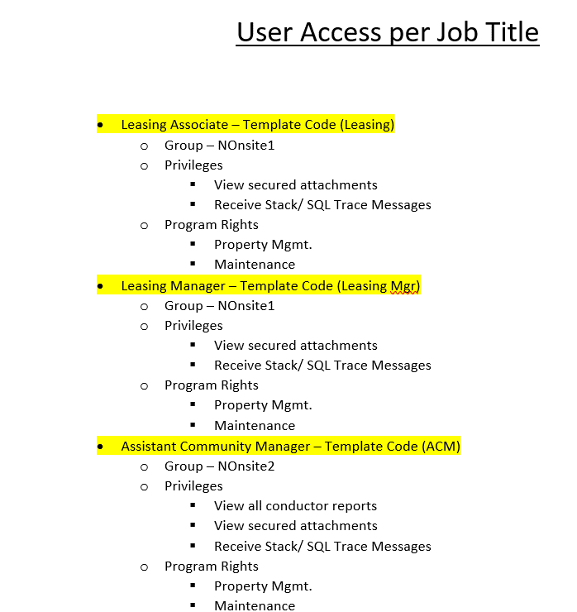

 |  |  | Details & User Screen
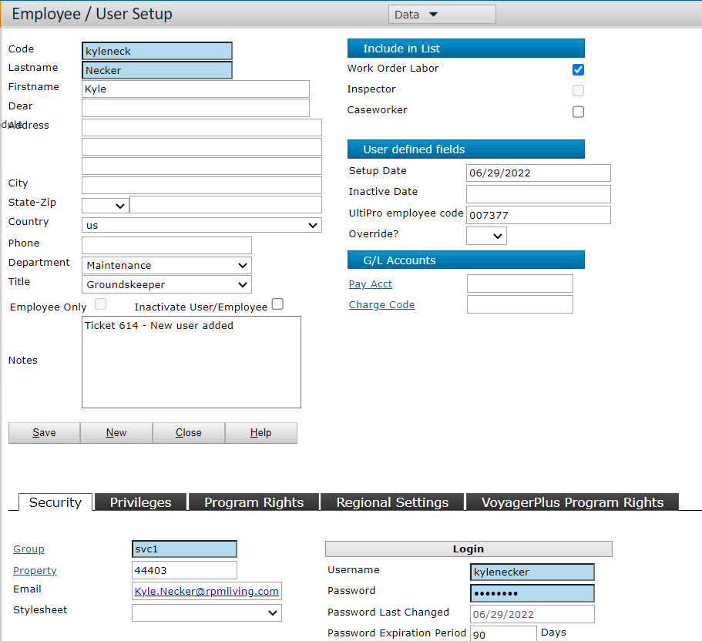
From the New Hire report, consider the columns as listed below
1. Column A - Employee Number/Code
2. First & Last name of the user
3. Email id
4. Job Title
5.Group & Property
6. Setup date / Current date
7. Notes
8. Code- This should be 8 charactors & combination of First & Last name. Before uploading the ETL check if any usercode showing duplicate
9. Username should be the email address
10. Password - Should be "Welcome123!"
11. Password Expiration Period - Keep 0 (zero) as per update received by RPM
12. Force Password Expiration Tickmark - Keep the check box untick. As Client is migrated to YardiOne and check box mark not required.

 | On the user screen, Update the below listed tabs on the basis of User access & job title document
 | 1 | Privileges
 | 2 | Program Rights
 | 3 | Regional Settings- Default "us".

Security Screen
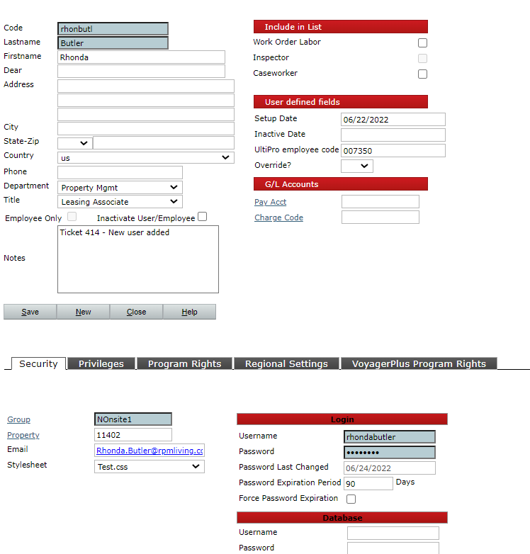
In the voyager go to the Roscoe System Administrtion > Add User | User Screen

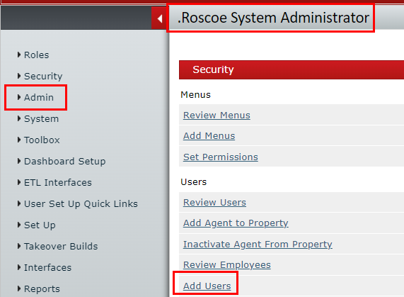
 | Refer column B-Employee Name from New Hire Data IT Report | Current date

 | Refer column G-Job Title from New Hire Data IT Report

 | Notes as required & for internal reference
 |  | Refer column A- Employee number from New Hire Data IT Report

 | From user access & Job title document | temp password shoud be Welcome123!
 |  | email address

 |  | Check box should be tick marked. Once user changed the password it will automatically get off
 | Refer column L-Org level 3 code from New Hire Data IT Report

 | Refer column C-Email Address from New Hire Data IT Report

Priviliges
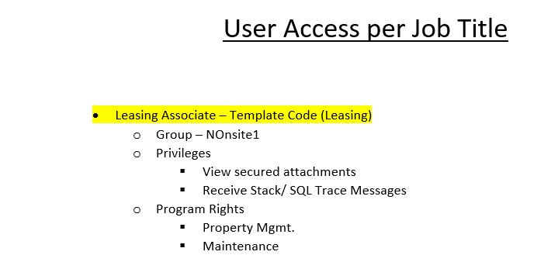
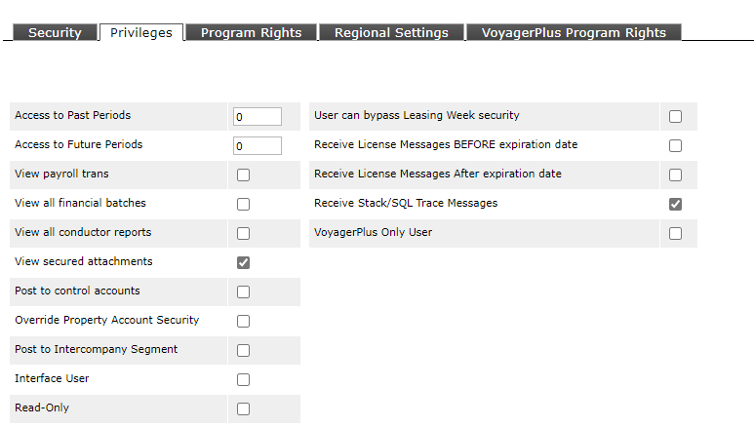

Refer the above document and check the box accordingly

Program rights
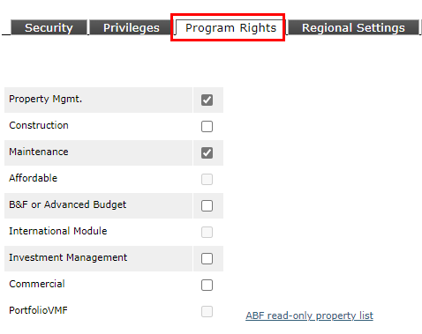

Refer the above document and check the box accordingly

VoyagerPlus programrights
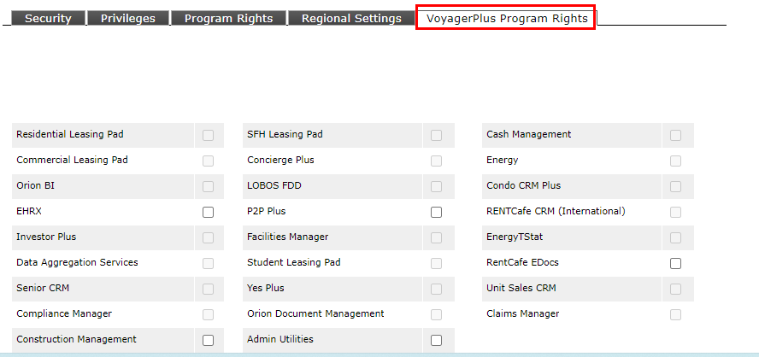
Note: | Keep this tab as it is.
 | Do not mark any check box until any requirement

User Addition in Rent Café
We are receiving multiple requests about User (Site Managers) setup in Rent Café
Below are the steps how to add users in Rent Café-

1. Initially review the users in Yardi Voyager. If user is not available in Yardi ask user to provide the details so that we can add the users in Yardi & then Rent Café.
2. If user is already available in Yardi-

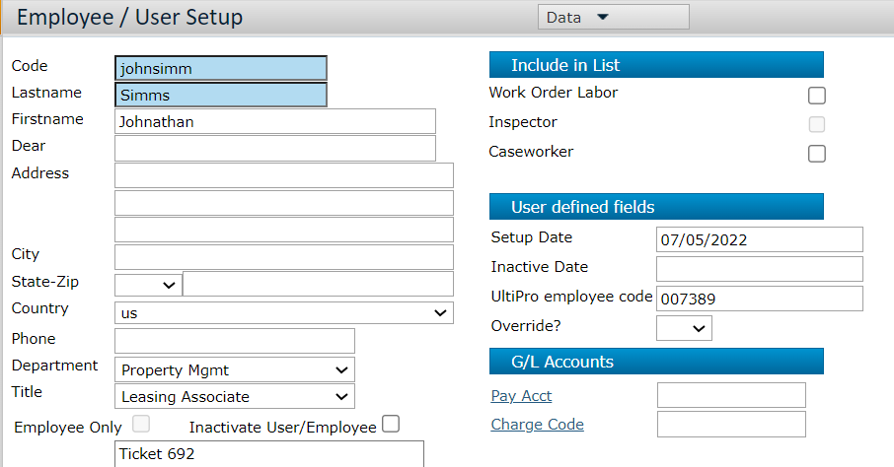

3. Go to the rent café and check if user is already available or not.
 | Login to Rent Café > Company Management > User Management

 | Enter the filters as shown below and click on Search button. Filtered can be as needed.

4. If user is not exists, click on Add User button as shown below-

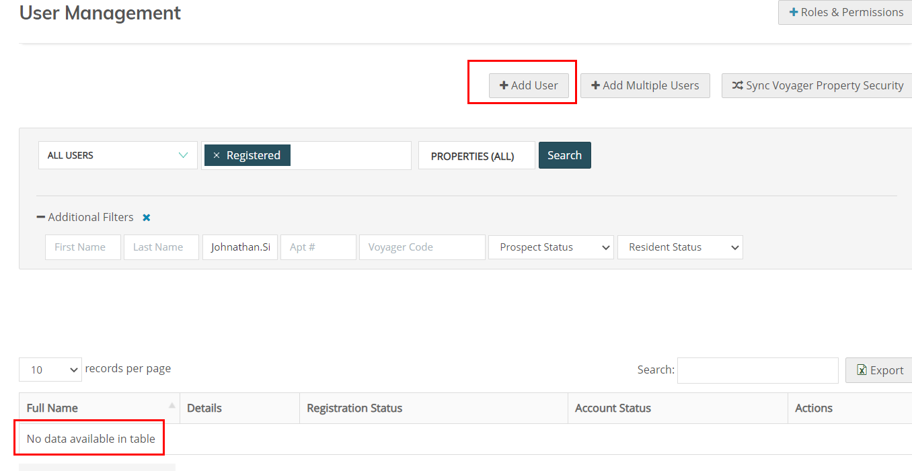

5. On the below screen enter the details. Copy the data from Voyager (User screen)
a. For the Role Selection – Refer the User Access per Job Title-Acedits_20220727
b. Contact number (Telephone) should be default (555)-555-5555
c. Voyager database always Roscoe Properties Inc Live C00000055533
d. Use Voyager property security settings should be always “Yes” |  | PLEASE EXCLUDE Marketing Team users from using Voyager Property Security Setting
e. After entering the details click on add user
f. After adding the user mark the check box of Email Verified and save the changes again.
g. Click on Send login invitation email.
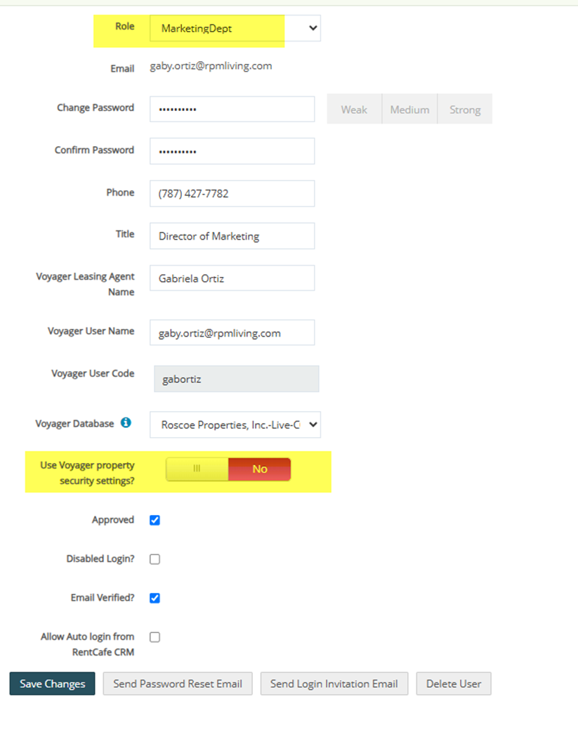

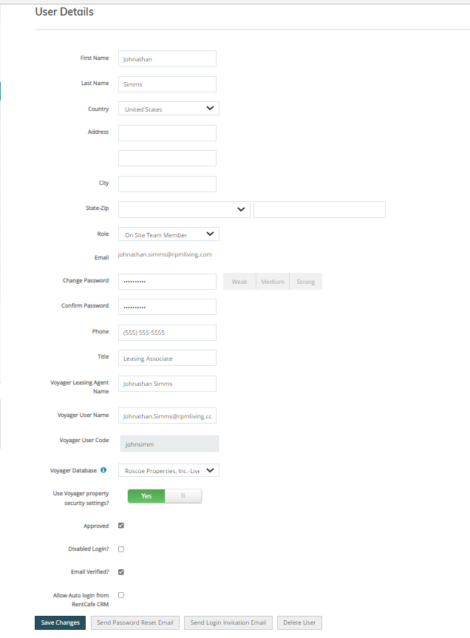

6. On the User Detail Screen Go to the property security to confirm the same properties are synced which are assigned in voyager

7. After completing the above steps, notify to user, As requested we have added you in Rent café and Login Invitation Email sent to you.
8. Below is the Role Grouping while adding the user in Rent Café. Refer the User Access per Job Title-Acedits_20220727
Property Manager Role:
· Community Manager
· Regional Manager
· Regional VP
On Site Team Member
· Leasing Associate
· Leasing Manager
· Assistant Community Manager
Marketing Dept
· Marketing Associate
· Marketing Manager
· Marketing Director

 | Property Sync to Rent Café

 | User property security appears to be only updated once per week (seemingly Tuesdays).
 | User security can be run ad hoc once per day by a Site Manager admin, but I don’t think this is best practices.
 | Right now, there is not a good practice is place for consistent user security updates from Voyager to Site Manager.

 | Dir Marketing Operations: Does not require Yardi access but they will need site manager access in Rent Café with Job Role “MarketingDept”

 | Dig Marketing Acct Mgr: Does not require Yardi access but they will need site manager access in Rent Café with Job Role “MarketingDept”

 | Social Media Assoc - This new job title will not require Yardi but they will require RentCafe. Please create a RentCafe user with “MarketingDept” Role.

 | VP/SVP/Div President - rent cafe access with role property manager

Client Prop list
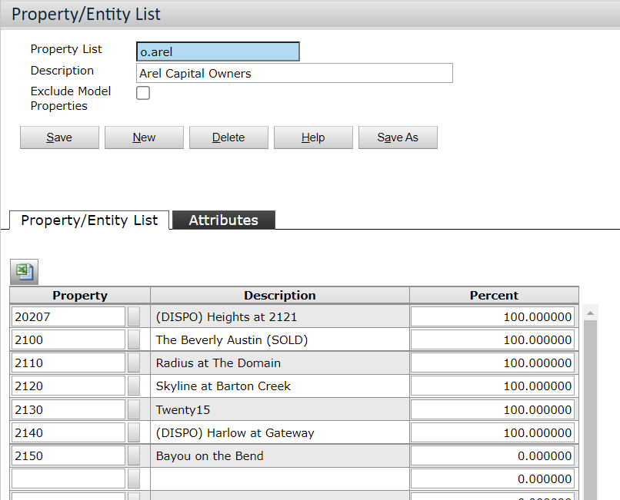
Client Property List- client property lists should start with o. and not cl.

Sheet1
